Sheet2
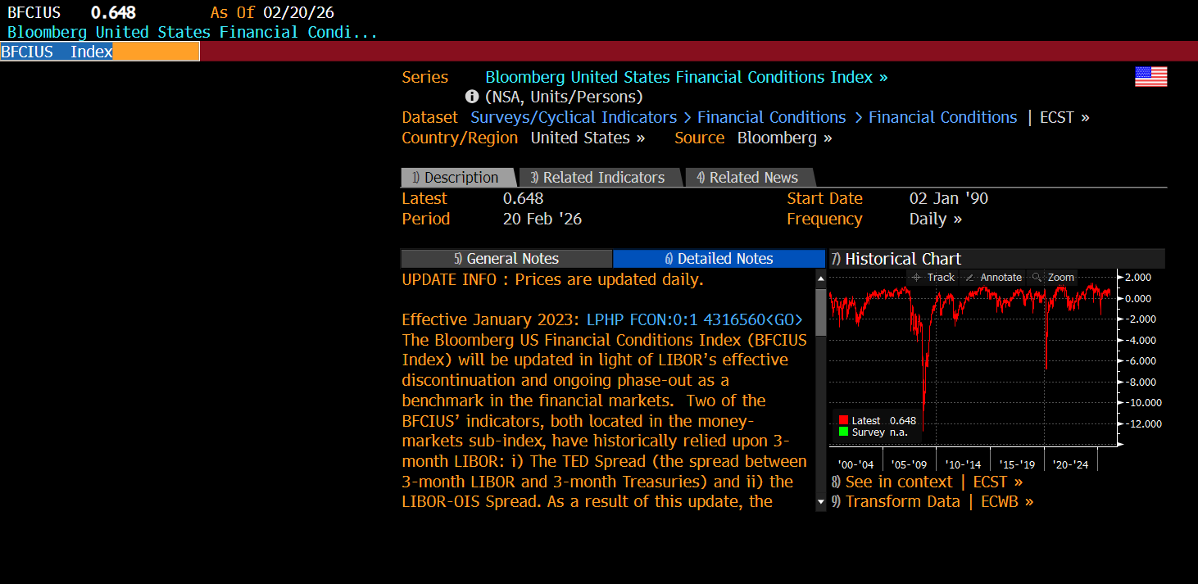
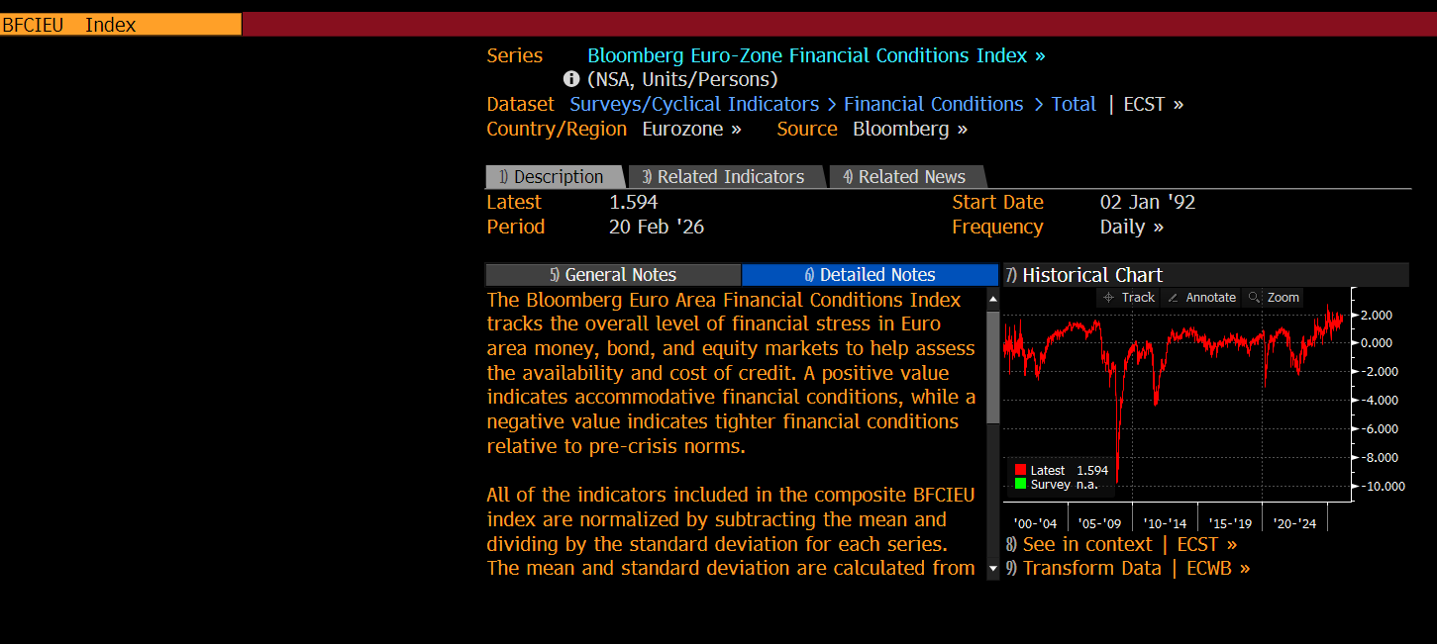
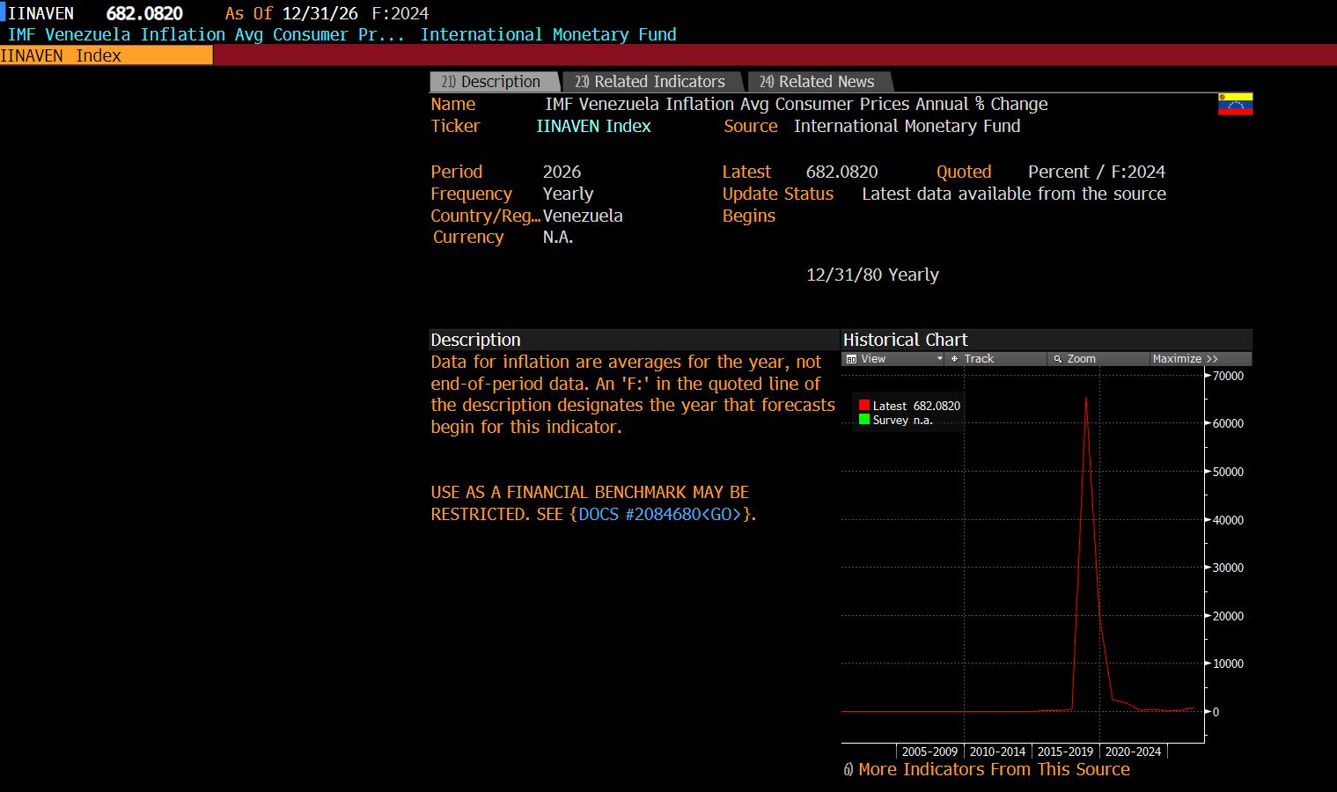

UPDATE INFO : Prices are updated daily.

Effective January 2023: LPHP FCON:0:1 4316560<GO> The Bloomberg US Financial Conditions Index (BFCIUS Index) will be updated in light of LIBOR’s effective discontinuation and ongoing phase-out as a benchmark in the financial markets. Two of the BFCIUS’ indicators, both located in the money-markets sub-index, have historically relied upon 3-month LIBOR: i) The TED Spread (the spread between 3-month LIBOR and 3-month Treasuries) and ii) the LIBOR-OIS Spread. As a result of this update, the LIBOR components of these two indicators will be replaced by the 3-month tenor of Bloomberg’s Short Term Bank Yield Index (BSBY), a transaction-based and credit-sensitive reference rate that we have developed to address the needs of the market. Given BSBY’s close tracking of LIBOR, the update results in very minimal changes to the index.

CALCULATIONS : All of the indicators included in the composite BFCIUS index are normalized by subtracting the mean and dividing by the standard deviation for each series. The mean and standard deviation are calculated from observations during the pre-crisis period, which is defined as the period from 1994 to July 1, 2008. The normalized values are then combined into the composite BFCIUS index, which is itself normalized relative to its pre-crisis values. As such, the BFCIUS index is a Z-Score that indicates the number of standard deviations by which current financial conditions deviate from normal (pre-crisis) levels. Further weighting information can be found here: LPHP FCON:0:1 657245 <GO>

SOURCE METHODOLOGY : The Bloomberg U.S. Financial Conditions Index tracks the overall level of financial stress in the U.S. money, bond, and equity markets to help assess the availability and cost of credit. A positive value indicates accommodative financial conditions, while a negative value indicates tighter financial conditions relative to pre-crisis norms.

DATA DISCOVERY : ECST T BFCIUS<GO>

RELATED FUNCTIONS : FCON<GO>

ADDITIONAL INFO : LPHP FCON:0:1 657244 <GO>

